Aula 1
É importante para inmpressões, que os títulos se repitam nas folhas. Nesse caso temos:
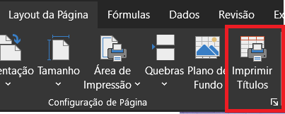

OBS ¹: Essa ferramenta serve tanto para imprimir títulos, quanto para imprimir colunas.

OBS ²: Aqui também podemos editar outras configurações como a forma de ''apresentra os erros'' e ordem da página.

